DataValidation
VALIDATION SHEET

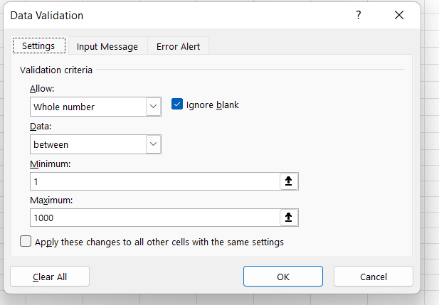
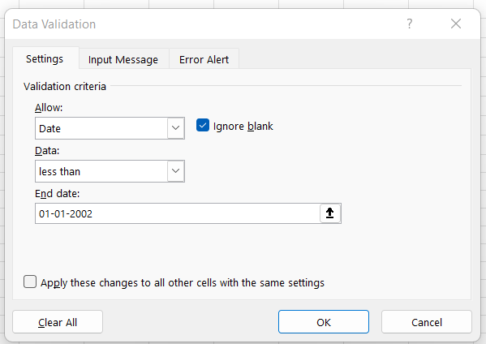
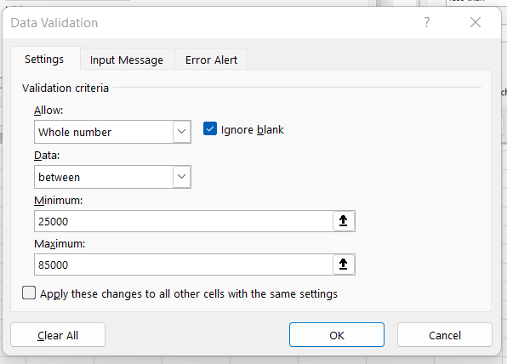
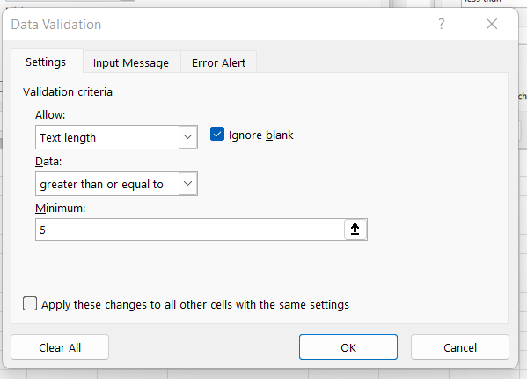
Emp_Code | Birthdate | Salary | UserID | Region | Area | 1 | 2 | 3 | 4
 |  |  |  | East | Kurla
 |  |  |  | West | Santacruz
 |  |  |  | North | Mira Road
 |  |  |  | South | Kalbadevi
 |  |  |  | West | Khar

 |  |  |  | North

1.Give validation to Emp_code so that the user can enter only between 1 to 1000 without decimal
2.Give validation to Birthdate so that the date after 2002 should not be accepted
3.Give validation to Salary so that the salary is between 25000-85000
4.Give validation to User_Id so that the userid is minimum 5 character long
5.Give validation to Region so that the user will select the region from list
6.Depending upon the region selected the user will get the respective Area

